Sheet1
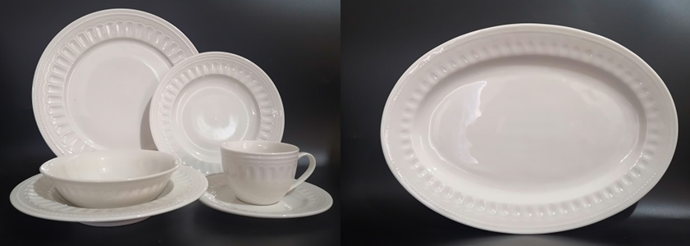
pic | dep | pcs | pack | CBM | NW | GW ctn | total ctns | total CBM | total GW | FOB Tianjin
 | 11" dinner plate | 6800 | 24 | 0.025 | 0.7 | 18 | 283 | 7.08 | 5100 | $0.80
 | 8" side plate | 7000 | 48 | 0.025 | 0.31 | 16 | 146 | 3.65 | 2333 | $0.56
 | 8.5" soup plate | 6000 | 48 | 0.035 | 0.38 | 20 | 125 | 4.38 | 2500 | $0.63
 | 6.25" bowl | 5800 | 48 | 0.045 | 0.26 | 13.5 | 121 | 5.44 | 1631 | $0.63
 | cup&saucer | 4800 | 48 | 0.05 | 0.35 | 19 | 100 | 5.00 | 1900 | $0.72
 | 14" oval platter | 3000 | 18 | 0.025 | 1 | 19 | 167 | 4.17 | 3167 | $1.29
 | Total | 33400 |  |  |  |  | 942 | 29.71 | 16631.25

